Sheet1
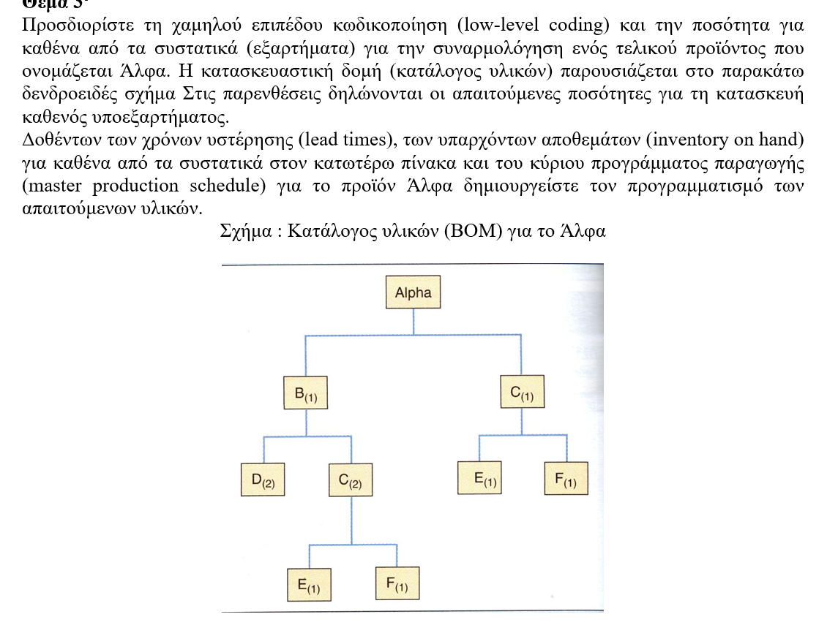
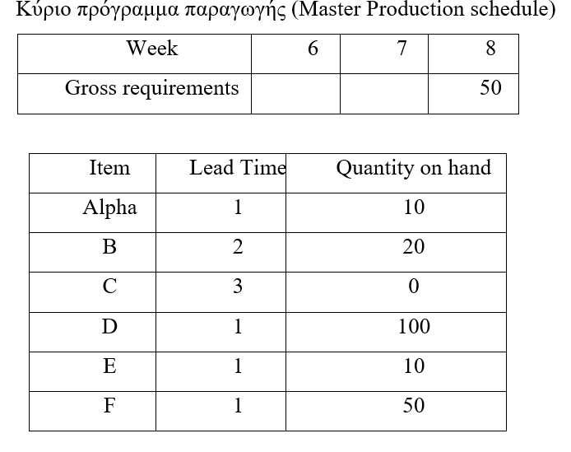

Bom A |  | Lead time | 1 | Safety Stock | 0 | Lot size | 1 | Minimum quantity | 0
 | Period 0 | Period 1 | Period 2 | Period 3 | Period 4 | Period 5 | Period 6 | Period 7 | Period 8
Gross requirements |  | 0 | 0 | 0 | 0 | 0 | 0 | 0 | 50
Scheduled receipts
On Hand Inventory | 10 | 10 | 10 | 10 | 10 | 10 | 10 | 10 | 0
NET POQ Req |  |  |  |  |  |  |  |  | 40
Planned receipts |  |  |  |  |  |  |  |  | 40
Planned orders |  |  |  |  |  |  |  | 40 |  | end of level 0

Bom B |  | Lead time | 2 | Safety Stock | 0 | Lot size | 1 | Minimum quantity | 0
 | Period 0 | Period 1 | Period 2 | Period 3 | Period 4 | Period 5 | Period 6 | Period 7 | Period 8
Gross requirements |  | 0 | 0 | 0 | 0 | 0 | 0 | 40
Scheduled receipts
On Hand Inventory | 20 | 20 | 20 | 20 | 20 | 20 | 20 | 0
NET POQ Req |  |  |  |  |  |  |  | 20
Planned receipts |  |  |  |  |  |  |  | 20
Planned orders |  |  |  |  |  | 20 |  |  |  | end of level 1

Bom C |  | Lead time | 3 | Safety Stock | 0 | Lot size | 1 | Minimum quantity | 0 | start of level 2
 | Period 0 | Period 1 | Period 2 | Period 3 | Period 4 | Period 5 | Period 6 | Period 7 | Period 8
Gross requirements |  | 0 | 0 | 0 | 0 | 40B | 0 | 40A
Scheduled receipts
On Hand Inventory | 0 | 0 | 0 | 0 | 0 | 0 | 0 | 0 | 0
NET POQ Req |  |  |  |  |  | 40 |  | 40
Planned receipts |  |  |  |  |  | 40 |  | 40
Planned orders |  |  | 40 |  | 40

Bom D |  | Lead time | 1 | Safety Stock | 0 | Lot size | 1 | Minimum quantity | 0
 | Period 0 | Period 1 | Period 2 | Period 3 | Period 4 | Period 5 | Period 6 | Period 7 | Period 8
Gross requirements |  | 0 | 0 | 0 | 0 | 40 | 0 | 0
Scheduled receipts
On Hand Inventory | 100 | 100 | 100 | 100 | 100 | 60
NET POQ Req
Planned receipts
Planned orders

Bom E |  | Lead time | 1 | Safety Stock | 0 | Lot size | 1 | Minimum quantity | 0
 | Period 0 | Period 1 | Period 2 | Period 3 | Period 4 | Period 5 | Period 6 | Period 7 | Period 8
Gross requirements |  | 0 | 0 | 0 | 0 | 40B | 0 | 40A
Scheduled receipts
On Hand Inventory | 10 | 10 | 10 | 10 | 10 | 0
NET POQ Req |  |  |  |  |  | 30 |  | 40
Planned receipts |  |  |  |  |  | 30 |  | 40
Planned orders |  |  |  |  | 30 |  | 40

Bom F |  | Lead time | 1 | Safety Stock | 0 | Lot size | 1 | Minimum quantity | 0
 | Period 0 | Period 1 | Period 2 | Period 3 | Period 4 | Period 5 | Period 6 | Period 7 | Period 8
Gross requirements |  | 0 | 0 | 0 | 0 | 40B | 0 | 40A | 50
Scheduled receipts
On Hand Inventory | 50 | 50 | 50 | 50 | 50 | 10 | 10 | 0
NET POQ Req |  |  |  |  |  |  |  | 30
Planned receipts |  |  |  |  |  |  |  | 30
Planned orders |  |  |  |  |  |  | 30

GIA KAUE FYLLO TOY DENDROY ΠΟΣΟ ΚΑΙ ΠΟΤΕ ΘΑ ΠΑΡΑΧΘΕΙ?

 | Period 1 | Period 2 | Period 3 | Period 4 | Period 5 | Period 6 | Period 7 | Period 8
a |  |  |  |  |  |  | 40
b |  |  |  |  | 20
c |  | 40 |  | 40
d |  | tipota
e |  |  |  | 30 |  | 40
f |  |  |  |  |  | 30

