Sheet1
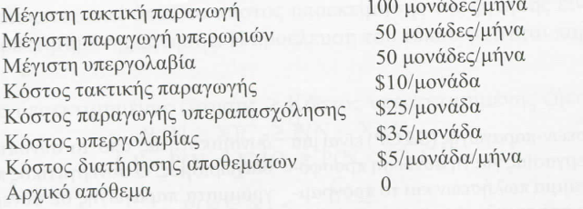
Solved Problem apo Russell

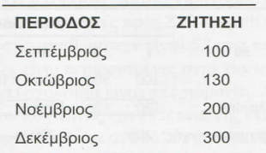
Period | Dt | Tactical | Sub Contr | Overtime | Total Production | It | Total It
1 | 100 | 100 | 0 | 50 | 150 | 50 | 50
2 | 130 | 100 | 30 | 50 | 180 | 50 | 100
3 | 200 | 100 | 50 | 50 | 200 | 0 | 100
4 | 300 | 100 | 50 | 50 | 200 | 0 | 0
 | 730 | 400 | 130 | 200 | 730 | 100 | 250
 |  |  |  |  |  |  |  | Total Cost
 |  | 4000 | 4550 | 5000 |  |  | 1250 | 14800
 |  | 10 | 35 | 25 |  |  | 5

