LP
Askisi 14_3 Russell

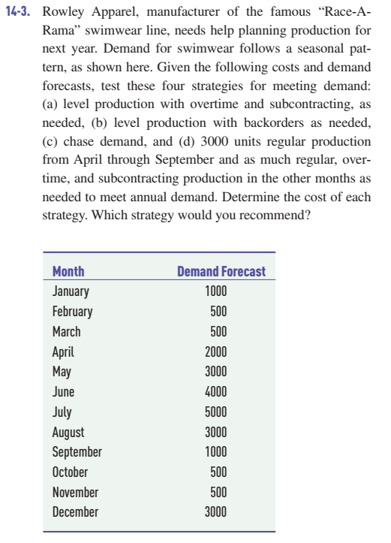
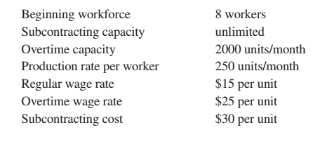

 | Period | Wt | Ht | Ft | Ot | St | Pt | Dt | It | Itotal
 |  | 8
 | 1 | 4 |  | 4 | 0 | 0 | 1000 | 1000 | 0 | 0
 | 2 | 2 |  | 2 | 0 | 0 | 500 | 500 | 0 | 0
 | 3 | 2 |  |  | 0 | 0 | 500 | 500 | 0 | 0
 | 4 | 8 | 6 |  | 0 | 0 | 2000 | 2000 | 0 | 0
 | 5 | 12 | 4 |  | 0 | 0 | 3000 | 3000 | 0 | 0
 | 6 | 18 | 6 |  | 0 | 0 | 4500 | 4000 | 500 | 500
 | 7 | 18 |  |  | 0 | 0 | 4500 | 5000 | -500 | 0
 | 8 | 12 |  | 6 | 0 | 0 | 3000 | 3000 | 0 | 0
 | 9 | 4 |  | 8 | 0 | 0 | 1000 | 1000 | 0 | 0
 | 10 | 4 |  |  | 0 | 0 | 1000 | 500 | 500 | 500
 | 11 | 4 |  |  | 0 | 0 | 1000 | 500 | 500 | 1000
 | 12 | 8 | 4 |  | 0 | 0 | 2000 | 3000 | -1000 | 0
 |  |  | 20 | 20 | 0 | 0 | 24000 | 24000 |  | 2000

 |  |  | 100 | 200 | 25 | 30 | 15 |  |  | 0.5
 |  |  | 2000 | 4000 | 0 | 0 | 360000 | 0 | 0 | 1000 | 367000

 |  |  | TOTTAL COST |  | 367000

